Mulsanne Speed
Bentley Motors Vehicle Specification
Mulsanne Speed
Four-door, five-seat luxury driver-focused sporting limousine

ENGINE
Configuration | 6.75-litre twin-turbo V8 | 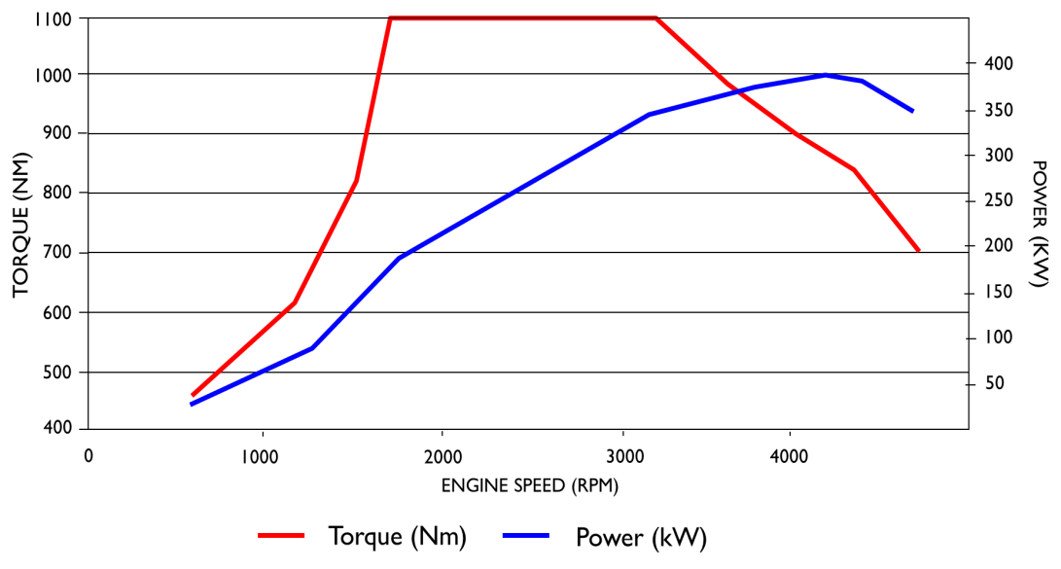
Capacity | 6750 cc / 411.9 cu in
Induction | Two parallel turbochargers, indirect intercooling
Power | 537 PS / 530 bhp / 395 kW @4200 rpm
Torque | 1100 Nm / 811 lb.ft @1750 rpm
Construction | Alu. alloy heads and block, forged steel crank, conrods and pistons
Bore x Stroke | 104 mm x 99 mm / 4.1" x 3.9"
Compression ratio | 8.9:1
Fuel delivery | Port injection
Valve Gear | Single central camshaft with phaser, pushrods, 2 valves per cylinder
Fuel | 98 (95) RON to E10
Cylinder Deactivation | Four cylinders, valves and fuel deactivated at light load
Other Notes | 90° V-angle. 13% improvement over 2014 Mulsanne engine through new combustion chamber, inlet ports, fuel injector, spark plug position. Faster and more controlled burn.

TRANSMISSION |  | SUSPENSION AND STEERING
Configuration | Automatic gearbox, torque converter, rear-wheel drive | Front Layout | Double wishbone, anti-roll bar
Torque Split (front:rear) | NA - rear wheel drive | Rear Layout | Multilink rear suspension with toe and brake reaction control
Gearbox Specification | ZF 8HP90 eight-speed automatic | Springs & Dampers | Self-levelling air suspension with Continuous Damping Control, automatic ride height control and four driver-selectable modes
Gear ratios | 1st: 4.71, 2nd: 3.14, 3rd: 2.1, 4th: 1.67, 5th: 1.29, 6th: 1.00, 7th: 0.839, 8th: 0.667
 |  | Steering System | Rack and pinion, ZF speed-sensitive Servotronic power assistance
Final Drive | 2.92 | Turns Lock-to-Lock | 3.33
Shift Time | Mechanical time 600ms, total time 800ms | Steering Rack Ratio | 45.6 mm/rev
Other Notes | Sport mode and steering-wheel mounted paddleshift. New S mode calibration | Turning Circle | 12.6 m / 41.3 ft

BRAKES, ESP & CRUISE CONTROL |  | INFOTAINMENT AND ELECTRONICS
Brake Disc Material | Cast iron | Driver Interface | 8" high-res screen, central Multi Media Interface (MMI) controller
Front | 400 mm diameter x 38 mm thick | Sound System | 14-speakers, 2x subwoofers, 8-channel DSP, iPod/MP3 connection, DAB or SDARS radio, 6-disc CD changer, DVD drive, 2x SD card readers, micro-USB, opt. 2200W 20-speaker Naim system.
Rear | 370 mm diameter x 30 mm thick
Calipers
Assistance | Twin-booster arrangement, ABS, Hydarulic Brake Assistance, Electronic Brake Prefill and Automatic Hill-Hold Control | Navigation System | Dynamic route guidance, 7-digit postcodes, 3D topography
 |  | Phone System | Telephone system, Bluetooth wireless connectivity, privacy handset
ESP | Electronic Stability Control and traction control. Full disablement possible at driver command. | Onboard Storage | 60Gb hard disc with 20 GB of personal storage space
 |  | Other Notes | Tyre-pressure monitoring, Keyless entry & ignition, power door-latching and boot, Park Distance Control. Optional: rear-view camera, TV tuner, Naim premium audio, rear-seat entertainment
Cruise control | Cruise control as standard, optional Adaptive Cruise Control
Other Notes | Electronic Park Brake with Drive-Away assist

EXTERIOR SPECIFICATION |  | INTERIOR SPECIFICATION
Body Type and Style | Steel monocoque, super-formed aluminium front fenders, aluminium bonnet and doors, composite bootlid with integrated antennae. | Seating | Power-adjustable front (12-way) and rear (8-way) seats. Heating and memory functions. Optional seat ventilation and massage.

Headlights | Bi-Xenon projector headlamps, LED signature daylight running lamps, LED main beam supplementation, LED rear lamps | Interior Features | 4-zone climate control, bulls-eye air vents & organ-stop controls, electric rear privacy blinds. Optional: tilt sunroof, bottle cooler

Paint Colours | 25 standard, 107 total range inc duotones | Hide Colours | 24 standard, 5 colour splits (1 new and exclusive to Speed)
Notes | Dark tint front grilles, rifled exhaust finishers, Speed treadplates and fender vents. New exclusive wheel design. | Wood Veneers | 10 (plus option of carbon fibre inserts to Piano Black)
 |  | Safety | Driver & front passenger air bags, front/rear head & thorax airbags

GENERAL DATA
Length | 5575 mm / 219.5" | 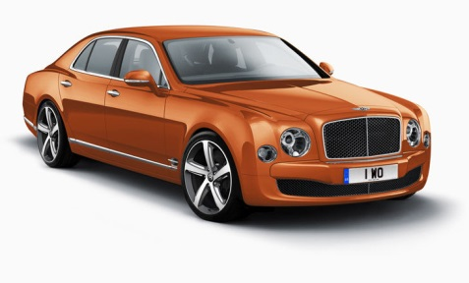
Width across mirrors | 2208 mm / 86.9"
Width across body | 1926 mm / 75.8" (width with mirrors folded)
Height | 1521 mm / 59.9"
Wheelbase | 3266 mm / 128.6"
Front track | 1615 mm / 63.58"
Rear track | 1652 mm / 65.03"
Front Legroom | 1065 mm / 41.9 in
Rear Legroom | 1090 mm / 42.9 in
Front Headroom (max) | 1018 mm / 40.1 in
Rear Headroom | 967 mm / 38.1 in | Wheels | 9J x 21", handed design in three finishes
Drag Coefficient | 0.33 Cd (0.32 in Sport suspension mode) | Tyres | 265/40 ZR21
Kerb Weight | 2685 kg / 5919 lb (North America: 2711 kg / 5976 lb) | Boot Volume | 443 litres / 15.64 cu ft
Gross Vehicle Weight | 3200 kg / 7055 lb | Fuel tank capacity | 96 litres / 21.12 gallons / 25.36 US gallons
Weight distribution (FR:RR)

PRICING |  | PERFORMANCE
UK (inc. 20% VAT) | £252,200 | 0-60 mph | 4.8 secs
US (MSRP) | $335,600 | 0-100 mph | 11.1 secs
Europe (exc. tax) | € 272,200 | 0-100 km/h | 4.9 secs
Middle East (exc. duty & tax) | $323,842 | 0-160 km/h | 11 secs
China (inc. taxes & duties) | CNY 55,800,000 | Top Speed | 190 mph / 305 km/h
Russia (inc. 18% VAT) | RUB 18,936,000

FUEL CONSUMPTION AND EMISSIONS
EU DRIVE CYCLE |  | EPA DRIVE CYCLE
Urban | 12.4 mpg / 22.8 litres/100 km | City Driving | 12 USmpg
Extra Urban | 28.4 mpg / 9.9 litres/100 km | Highway Driving | 19 USmpg
Combined | 19.3 mpg / 14.6 litres/100 km | Combined | 14 USmpg
Emissions Compliance | EU6 | Emissions Compliance | LEV II
CO2 Emissions | 342 g/km (efficiency class G) | CO2 Emissions

